Sheet1
Location | From | To | Horizontal distance (yards) | Horizontal Distances (feet) | Vertical distance (yards) | Vertical distance (feets) | Total distance Travelled (yards) | Total distance Travelled (feet) | Flow rates (pallets/ hrs) | Vehicle Type | Distance travelled by vehicle | Number of Trips/vehicle | Max Possible trip/Vehicle | Number of Vehicle required | Cost of MHEs($) |  | Assumption
2 | Recieving | Staging | 2 | 6 | 31 | 93 | 33 | 99 | 45 | Pallet Jack |  | 10 | NA | 3 | 3000 |  | The distances between different sections is taken according to the grid on the image attached
3 | Staging | Bulk Storage | 30 | 90 | 42 | 126 | 72 | 216 | 30 | CB Lift Truck |  | 15 | 16 | 2 | 56000 |  | All the calculation are done for one shift (7.61 hours)
4 | Staging | Surge R/C Storage | 20 | 60 | 12 | 36 | 32 | 96 | 10 | CB Lift Truck |  | 10 | 35 | 1 | 28000 |  | MHE used are 1. Pallet jacks; 2. CB Lift trucks; 3. NA trucks; 4. OP trucks
5 | Staging | Long Tern Storage | 22 | 66 | 20 | 60 | 42 | 126 | 5 | NA Truck |  | 5 | 25 | 1 | 31000 |  | Assuming distance from the shipping area to the loading truch is 5 yard
6 | Surge R/C Storage | Bulk Storage | 2 | 6 | 28 | 84 | 30 | 90 | 10 | CB Lift Truck |  | 10 | 37 | 1 | 28000 |  | Assuming both pickup and drop combined takes 0.003 hrs/ occurance for CBLT
7 | Bulk Storage | Replenishment | 40 | 120 | 0 | 0 | 40 | 120 | 40 | CB Lift Truck |  | 20 | 29 | 1 | 28000 |  | It is assumed that from Replinshement to picking area we are sending 45 pallet by distributing it as 11 * 3 ; 12 pallets
8 | Long Term Storage | Replenishment | 35 | 105 | 15 | 45 | 50 | 150 | 5 | NA Truck |  | 5 | 22 | 1 | 31000
9 | Replenishment | Flow rack | 0 | 0 | 12 | 36 | 12 | 36 | 12 | Rider OP Truck |  | 12 | NA | 3 | 93000
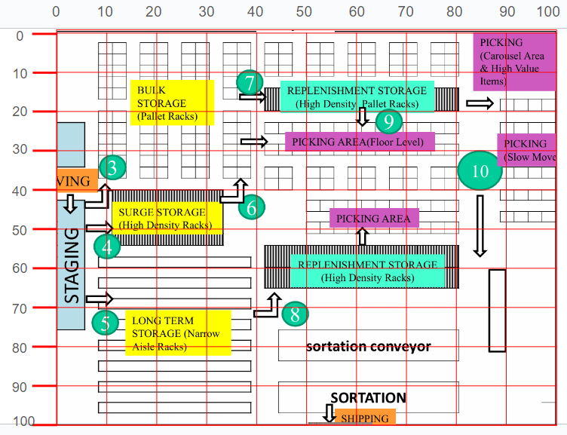
 | Replenishment | Carosels | 32 | 96 | 5 | 15 | 37 | 111 | 11 | Rider OP Truck |  | 11 | NA | 3 | 93000
 | Replenishment | Slow Units | 32 | 96 | 10 | 30 | 42 | 126 | 11 | Rider OP Truck |  | 11 | NA | 3 | 93000
 | Replenishment | High Value | 5 | 15 | 12 | 36 | 17 | 51 | 11 | Rider OP Truck |  | 11 | NA | 3 | 93000
 | Merge Area | Sortation | 20 | 60 | 0 | 0 | 20 | 60 | 45 | Conveyer |  | NA | NA | NA | #VALUE!
 | Sortation | Shipping | 0 | 0 | 12 | 36 | 12 | 36 | 45 | Conveyer |  | NA | NA | NA | #VALUE!
 | Shipping | Load Truck | 0 | 0 | 5 | 15 | 5 | 15 | 45 | CB Lift Truck |  | 45 | 150 | 1 | 28000
 |  |  |  |  |  |  |  |  |  |  |  |  |  | Total MHE cost = | 605000 | 0

 |  |  |  |  |  |  |  |  | Orange Colored MHEs are not used

